Sheet1
45% of transactions are high risk, driven by large transactions, high-risk regions, and unusual activity patterns
 |  |  | Fraud Detection & Transaction Analysis

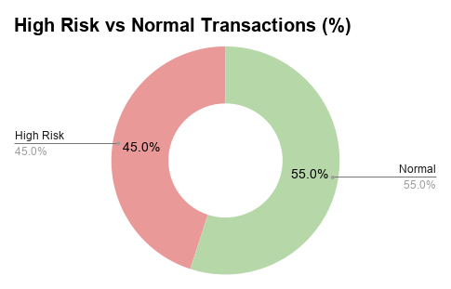
Risk Detection RULES
Amount > £1,000
Nigeria / Russia
2. Country = Nigeria OR Russia
≥5 transactions/hour
00:00 - 05:00 activity

Total Transactions | 20
High Risk Transactions | 9
% High Risk | 45%

Transaction_ID | Amount (£) | Country | Time | Transactions_Last_1hr | Risk_Flag
1 | £45.00 | UK | 14:30:00 | 1 | Normal
2 | £1,200.00 | Nigeria | 2:10:00 | 6 | High Risk
3 | £75.00 | UK | 11:20:00 | 2 | Normal
4 | £980.00 | Russia | 3:45:00 | 7 | High Risk
5 | £60.00 | Germany | 16:00:00 | 1 | Normal
6 | £1,500.00 | UK | 13:10:00 | 2 | High Risk
7 | £35.00 | UK | 9:25:00 | 1 | Normal
8 | £1,100.00 | Nigeria | 1:50:00 | 8 | High Risk
9 | £85.00 | Germany | 17:40:00 | 2 | Normal
10 | £250.00 | UK | 12:15:00 | 3 | Normal
11 | £1,400.00 | Russia | 2:30:00 | 6 | High Risk
12 | £55.00 | UK | 15:00:00 | 1 | Normal
13 | £700.00 | UK | 4:10:00 | 5 | High Risk
14 | £40.00 | Germany | 10:30:00 | 1 | Normal
15 | £1,600.00 | Nigeria | 3:20:00 | 9 | High Risk
16 | £90.00 | UK | 18:10:00 | 2 | Normal
17 | £300.00 | UK | 14:50:00 | 4 | Normal
18 | £1,250.00 | Russia | 2:05:00 | 7 | High Risk
19 | £50.00 | UK | 11:45:00 | 5 | High Risk
20 | £800.00 | Germany | 22:30:00 | 3 | Normal

